DATA
Ultrasonic Point Quantity Calculator A/D Conversion

Range (Beampath) (mm) | Velocity (km/s) | Probe Frequency (MHz) | Required Points / λ
100 | 3.22 | 5 | 5

Minimum Points Required | Minimum Stored A/D Freq (MHz) | Time Window (μs) | λ Period (μs)
1553 | 25.0 | 62.11 | 0.20

Note: If range is depth, to get beampath divide range by Cos θ
ASME BPVC Section V: 2023 Article 4
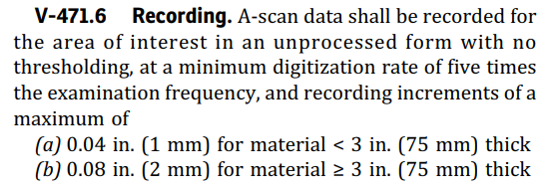

ISO 13588: 2019

