Data
 | AS1554.1:2014 Imperfection Levels with UT & RT

 | Weld Details | Length (mm) |  | Thickness (mm) |  | Imperfection L Factor |  | Max Imperfection Level
 |  | 800 |  | 24 |  | 2 |  | 400

 | Imperfection |  |  |  | Excessive Height | Aligned Imperfections (6.2.3.a) |  |  |  |  | aligned | Overlapping |  |  |  | 1.2
 | Start (mm) | Length (mm) | Type | Height (mm) |  | Gap (mm) | Total Aligned Length (mm) | Height Weighting Factor | Weighted length | Weighted Length* |  |  | Ends (Note 6:) |  | Ends 1 | Ends 2 max |  | sum |  |  | end
Indication 1 | 30 | 25 | LP | 2 | No | N/A | N/A | 1 | 25 | 25 |  |  | C |  | 1 | 2 | 1 | 2 |  |  | 55
Indication 2 | 125 | 20 | IL | 5 | No | 70 | N/A | 5 | 25 | 25 |  | 0 | C |  | 1 | 2 | 0 | 1 |  |  | 145
Indication 3 | 600 | 45 | IL | 5 | No | 455 | N/A | 5 | 225 | 225 |  | 0 | C |  | 1 | 2 | 0 | 1 |  |  | 645
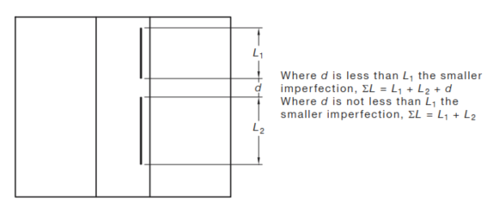
 |  |  |  |  |  |  |  |  |  |  |  | 0 |  |  | 0

 | Overlapping Indications |  |  | No |  | If Yes, refer to 6.2.3 |  |  |  |  | Factored Length <2 |  |  |  | Factored Length 2-4 |  |  |  | Factored Length 4-10 |  |  | Factored Length 10-20
 |  |  |  |  |  |  |  |  |  |  | Height Weighting Factor | Factored Length |  |  | Height Weighting Factor | Factored Length |  |  | Height Weighting Factor | Factored Length |  | Height Weighting Factor | Factored Length
 | Aligned Indications |  |  | No |  | If Yes, refer 6.2.3 and image |  |  |  |  | 1 | 25 |  |  | 2 | 0 |  |  | 5 | 0 |  | 0 | 0 | 5
 |  |  |  |  |  |  |  |  |  |  | 1 | 20 |  |  | 2 | 140 |  |  | 5 | 10 |  | 0 | 0 | 5
 | Indication Length as detected (mm) |  |  | 90 |  |  |  |  |  |  | 1 | 45 |  |  | 2 | 910 |  |  | 5 | 10 |  | 0 | 0 | 5

 | Imperfection Level with Weighting |  |  | 275 |  |  |  |  |  |  |  | aligned max
 |  |  |  |  |  |  |  |  |  |  | 1 | 5 | 1 |  | 25 | 25 | 0
 | Allowed Imperfection Level |  |  | 400 |  |  |  |  |  |  | 5 | 5 | 5 |  | 20 | 100
 |  |  |  |  |  |  |  |  |  |  | 5 | 5 | 5 |  | 45 | 225
 | Indication Lengths |  |  | Complies

 | Indication Types |  |  | Complies |  |  |  |  |  |  | complies
 |  |  |  |  |  |  |  |  |  |  |  |  |  | height
 | Weld Ends (T) |  |  | Complies |  | Refer 6.2.1 Note 6 |  |  |  |  | 1 |  |  | 3
 |  |  |  |  |  |  |  |  |  |  | 1 |  |  | FALSE
 | Overall |  |  | Complies |  |  |  |  |  |  | 1
 |  |  |  |  |  |  |  |  |  |  | 3 | Complies | Complies | Complies
 | Notes:
 | This is a Work-In-Progress |  |  |  |  |  |  |  |  |  | Complies
 | Will not work with more than 2 aligned indications
 | To use less than 3 indications set length to 0 (and ignore other errors)
 | Indications starts to be in order of distance from datum
 | Imperfection type is a drop down menu
 | For Personal training use only

 | KL
 | IL
 | LP
 | LF

Table 6.2.1
