Vessel
 | AS4343:2014 Pressure Equipment Hazard Level Calculator - Vessels

 | Design Pressure MPa - P | 1.25
 | Volume Litres - V | 600

 | PV - MPa.L | 750 | Note: Pressure equipment with PV < 100 000 MPa.L (before multiplying factors are applied) with non-harmful liquid at a temperature above 0°C but not exceeding 65°C shall be classified as Hazard Level E.

 | Compressability - Fc | 10

 | Contents - Ff | 1.00

 | Service Factor - Fs | 1.00 | Select Criteria | AS4343 Reference
 |  |  |  | 2.25.a.i
 |  |  |  | 2.25.a.ii
 |  |  |  | 2.25.a.iii
 |  |  |  | 2.25.a.iv

 |  |  |  | 2.25.c.i
 |  |  |  | 2.25.c.ii
 |  |  |  | 2.25.c.iii
Hazard Level
E | 8 | 36.444444444
D | 20 | 2
C | 20 | 161.55555556
B | 25
A | 30
 | 100
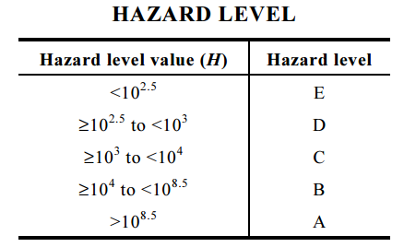

 | Hazard Level Value - H = | PVFcFfFs
 | Hazard Level Value - H = | 7.500E+03
 | Hazard Level Value - H = | 7500.0

 | Hazard Level | C

Basic Calculator for Training Only - Always refer to AS4343 for specific requirements |  |  |  |  | Created by: P.Grosser

