ISO
 | MPI Bench Calculations (ISO 9934-1)

Coil Data |  |  |  | Part Data
diameter (mm) | area (mm2) | Number of Turns |  | OD (mm) | ID (mm) | Length (mm) | Area (mm2) | Diameter Effective (mm) | L/D ratio | Effective Length (mm)
350 | 96223.75 | 4.5 |  | 75 | 0 | 500 | 4418.4 | 75.0 | 6.67 | 500

 |  |  |  |  | For Solid Bars Use ID = 0
Component Cross Sectional Area of Coil |  |  |  |  | Note: For L/D > 20 , effective length used.
4.6% |  |  |  |  | Assumes tangential field strength 2kA/m (ISO 9934-1 8.1)
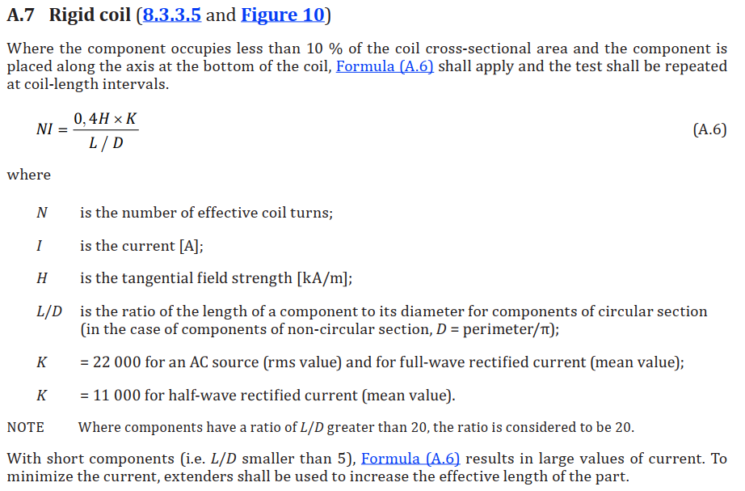

Rigid Coil
Current Type | Amp Turns | Amps (RMS) | Amps (Peak)
AC | 2640.0 | 586.7 | 829.8
Half Wave | 1320.0 | 293.3 | 414.9

Axial Current Flow
Perimeter (mm) |  | Amps (RMS) | Amps (Peak)
235.7 |  | 471.3 | 666.6
